Result
Scenario | Scen5

 | Year | Value | Value*a/b
 | 2020 | 0 | 0
 | 2021 | 100 | 100
 | 2022 | 200 | 200
 | 2023 | 300 | 300
 | 2024 | 400 | 400
 | 2025 | 500 | 500

 | VarName | varValue | Scen1 | Scen2 | Scen3 | Scen4 | Scen5
 | a | 1 | 10 | 7 | 5 | 3 | 1
 | b | 1 | 3 | 6 | 7 | 2 | 1

 | Data Table
 | Results | 0 | 100 | 200 | 300 | 400 | 500
 | Scen1 | 0 | 333.33333333 | 666.66666667 | 1000 | 1333.3333333 | 1666.6666667
 | Scen2 | 0 | 116.66666667 | 233.33333333 | 350 | 466.66666667 | 583.33333333
 | Scen3 | 0 | 71.428571429 | 142.85714286 | 214.28571429 | 285.71428571 | 357.14285714
 | Scen4 | 0 | 150 | 300 | 450 | 600 | 750
 | Scen5 | 0 | 100 | 200 | 300 | 400 | 500

 | Explanation
 | Create a chart based on the data base

Result1
Year | Value | VarName | Scen1 | Scen2 | Scen3 | Scen4 | Scen5 | Scen6
2020 | 0 | a | 10 | 7 | 5 | 3 | 1 | 4
2021 | 100 | b | 3 | 6 | 7 | 2 | 1 | 5
2022 | 200
2023 | 300 | Year | 2020 | 2021 | 2022 | 2023 | 2024 | 2025
2024 | 400 | Scen1 | - | 333.33 | 666.67 | 1,000.00 | 1,333.33 | 1,666.67
2025 | 500 | Scen2 | - | 116.67 | 233.33 | 350.00 | 466.67 | 583.33
 |  | Scen3 | - | 71.43 | 142.86 | 214.29 | 285.71 | 357.14
 |  | Scen4 | - | 150.00 | 300.00 | 450.00 | 600.00 | 750.00
 |  | Scen5 | - | 100.00 | 200.00 | 300.00 | 400.00 | 500.00
 |  | Scen6 | - | 80.00 | 160.00 | 240.00 | 320.00 | 400.00

Step 3
Scenario | Scen1

 | Year | Value | Value*a/b
 | 2020 | 0 | 0
 | 2021 | 100 | 333.33333333
 | 2022 | 200 | 666.66666667
 | 2023 | 300 | 1000
 | 2024 | 400 | 1333.3333333
 | 2025 | 500 | 1666.6666667

 | VarName | varValue | Scen1 | Scen2 | Scen3 | Scen4 | Scen5
 | a | 10 | 10 | 7 | 5 | 3 | 1
 | b | 3 | 3 | 6 | 7 | 2 | 1

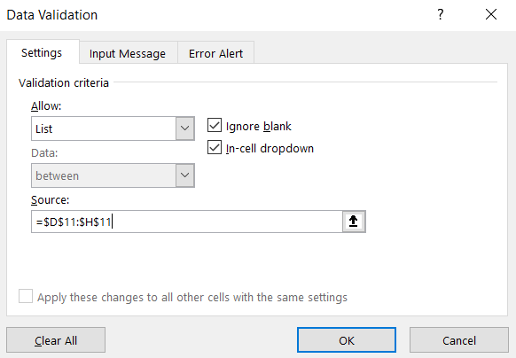

 | Explanation
 | Add a "scenario switcher" at the top, using data validation.
 | Click in B1 and select a value.

Step 5
Scenario | Scen1

 | Year | Value | Value*a/b
 | 2020 | 0 | 0
 | 2021 | 100 | 333.33333333
 | 2022 | 200 | 666.66666667
 | 2023 | 300 | 1000
 | 2024 | 400 | 1333.3333333
 | 2025 | 500 | 1666.6666667

 | VarName | varValue | Scen1 | Scen2 | Scen3 | Scen4 | Scen5
 | a | 10 | 10 | 7 | 5 | 3 | 1
 | b | 3 | 3 | 6 | 7 | 2 | 1

 | Data table
 | Value*a/b | 0 | 333.33333333 | 666.66666667 | 1000 | 1333.3333333 | 1666.6666667
 | Scen1 | 0 | 333.33333333 | 666.66666667 | 1000 | 1333.3333333 | 1666.6666667
 | Scen2 | 0 | 116.66666667 | 233.33333333 | 350 | 466.66666667 | 583.33333333
 | Scen3 | 0 | 71.428571429 | 142.85714286 | 214.28571429 | 285.71428571 | 357.14285714
 | Scen4 | 0 | 150 | 300 | 450 | 600 | 750
 | Scen5 | 0 | 100 | 200 | 300 | 400 | 500
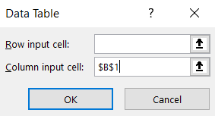
 | Explanation
 | To get the results for all the scenarios together in one table, make a data table.
 | Select D11:H11, copy, and in D17, paste special > transpose.
 | In C16, refer to D4. In C17, refer to D5, and so on until H16 and D9.
 | You can write "Value*a/b" in B16 for clarification, and "Data Table" above that.
 | Now select B16:H21, go to Data > What-if-analysis and select "Data table". Set the "Column input cell" to $B$1.
 | (This looks like a two-variable data table, but it's not, it's a one variable data table repeated to the right.)

Step 6
Scenario | Scen1

 | Year | Value | Value*a/b
 | 2020 | 0 | 0
 | 2021 | 100 | 333.33333333
 | 2022 | 200 | 666.66666667
 | 2023 | 300 | 1000
 | 2024 | 400 | 1333.3333333
 | 2025 | 500 | 1666.6666667

 | VarName | varValue | Scen1 | Scen2 | Scen3 | Scen4 | Scen5
 | a | 10 | 10 | 7 | 5 | 3 | 1
 | b | 3 | 3 | 6 | 7 | 2 | 1

 | Data table | 2020 | 2021 | 2022 | 2023 | 2024 | 2025
 | Value*a/b | 0 | 333.33333333 | 666.66666667 | 1000 | 1333.3333333 | 1666.6666667
 | Scen1 | 0 | 333.33333333 | 666.66666667 | 1000 | 1333.3333333 | 1666.6666667
 | Scen2 | 0 | 116.66666667 | 233.33333333 | 350 | 466.66666667 | 583.33333333
 | Scen3 | 0 | 71.428571429 | 142.85714286 | 214.28571429 | 285.71428571 | 357.14285714
 | Scen4 | 0 | 150 | 300 | 450 | 600 | 750
 | Scen5 | 0 | 100 | 200 | 300 | 400 | 500

 | Explanation
 | You now have the data table you need for the multiple-scenario-chart. Copy B4:B9 and paste special > transpose it to C15:H15, to use as X-axis labels (or use B4:B9).
 | Create the chart using the data in B17:H21, using C15:H15 as X-axis labels.

