Sheet1
User enters vale | xlookup performed on value | User enters free text description | User selects category from drop-down list

Value | Lookup | Description | Category
14 | Anthony | Table 1 | Red | Drop down list populated from named range generated on Sheet 2
15 | Donald | Table 2 | Blue | Row formatted depending on category selected
16 | Mark | Table 3 | Blue | Same formatting and categories used on across multiple tables
17 | Paul | Table 4 | Blue | Values in named range may change therefore breaking conditional formatting
18 | Steven | Table 5 | Red | Decription and category values may get copy and pasted around the table
19 | Andrew | Table 6 | Green
20 | Kenneth | Table 7 | Yellow
42 | Samuel | Table 8 | Red
43 | Frank | Table 9 | Red
44 | Gregory | Veranda 1 | Green
44 | Gregory | Attic | Yellow | Issue is basically the "Applies to" box. I want to be able to enter the table name but I can't
44 | Gregory | Attic | Green | Instead I get cell references and end up with lots of duplicates only applying to part of the table
44 | Gregory | Veranda 1 | Red | It becomes impossible to manage
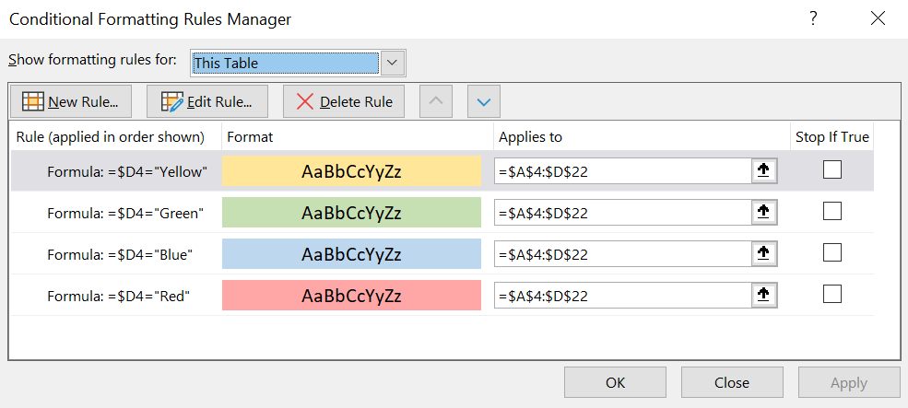
45 | Raymond | Veranda 2 | Green
45 | Raymond | Basement | Blue
45 | Raymond | Basement | Yellow
45 | Raymond | Veranda 2 | Red
46 | Alexander | Veranda 3 | Green
46 | Alexander | Veranda 3 | Red
61 | Walter | Veranda 4 | Blue
71 | Sean | Veranda 5 | Red
72 | Arthur | Veranda 6 | Red
73 | Austin | Balcony 1 | Yellow
74 | Noah | Balcony 2 | Yellow
75 | Lawrence | Balcony 3 | Yellow
76 | Jesse | Mezzanine | Red
76 | Jesse | Mezzanine | Blue

