_Info
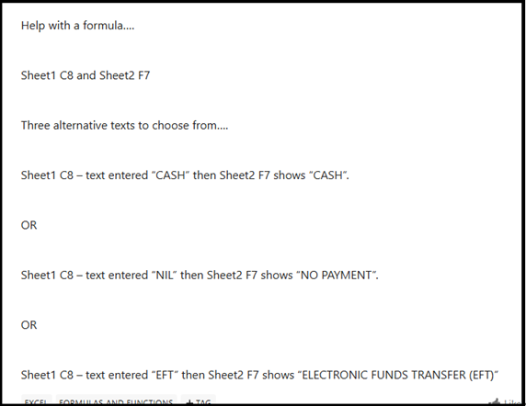
Formula Required if possible
https://techcommunity.microsoft.com/discussions/ExcelGeneral/formula-required-if-possible/4426008
2025-06-20
ray963

I interpreted "Help with a formula…. Sheet1 C8 and Sheet2 F7 Three alternative texts to choose from…." as a request for a formula to be placed in Sheet2 cell F7. Is that correct?
I interpreted the listed "Sheet1 C8…text entered" values as those that you want the formula to translate into the listed "Sheet2 F7 shows" values. Is that correct?

If those interpretations are correct, then CASH is exactly what you should expect to appear in Sheet2 cell F7 (as a result of the formula in that cell) when Sheet1 cell C8 contains CASH (whether in capital letters, lower-case letters, or mixed-case letters).
If either or both of those interpretations are incorrect, provide more details about what you need.

And you can use the next two worksheets in this workbook to experiment.

A reminder in case you are new to Excel spreadsheets: Formulas produce results for the cell they are placed in (and sometimes adjacent cells to the right and/or below). Formulas alone do not push values out to other worksheets (or to cells above or to the left).

