details
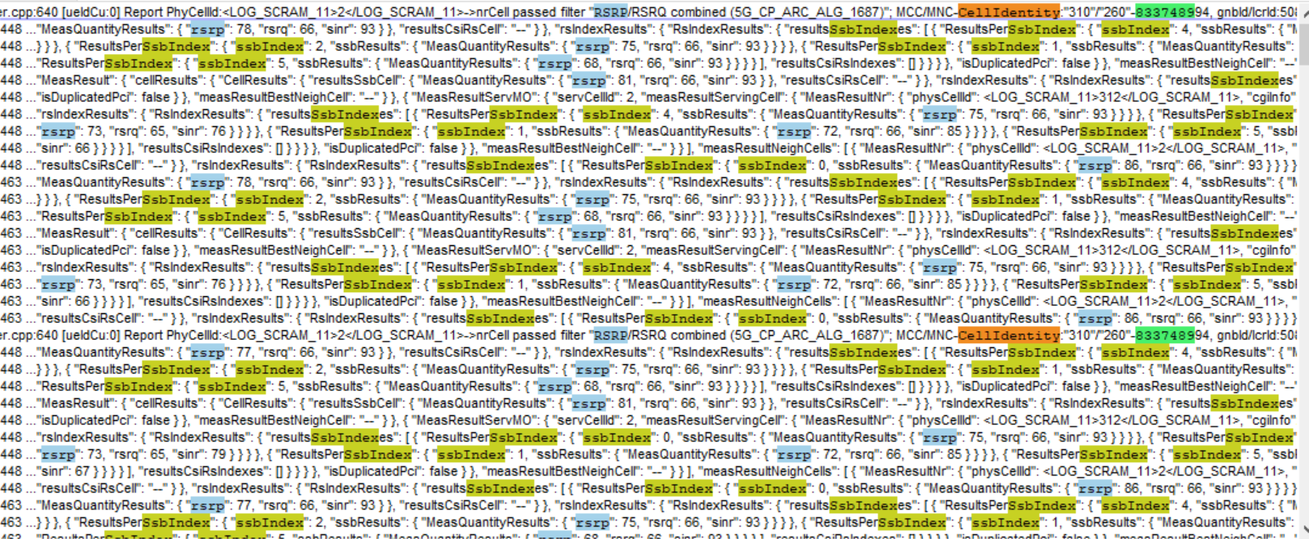
Time | MeasQuantityResults-CellIdentity | rsrp | rsrq | sinr | ssbIndex | rsrp | rsrq | sinr
2025-05-28T10:58:14.234271Z | 833748994 | 78 | 66 | 93 | 4 | 78 | 66 | 93
…. |  |  |  |  | 3 | 77 | 66 | 93
… |  |  |  |  | 2 | 75 | 66 | 93
 |  |  |  |  | 1 | 71 | 66 | 93
 |  |  |  |  | …..

 | 833748994 | 77 | 66 | 93
 |  |  |  |  | 4 | 77 | 66 | 93
 |  |  |  |  | 3 | 77 | 66 | 93

 |  |  |  |  | …..

