Calculation
P(Preambles per RO) | 10.666666667 |  |  |  |  |  | Parameters |  | Use DataValidation Instead
nbrOfSsbPerRachOccasion | 4 | 2 |  |  |  |  | NRCELL.totalNumberOfRAPreambles | 64 |  | cbraPreamblesPerSsb |  | numberOfTransmittedSsBlocks |  | nbrOfSsbPerRachOccasion
Total No. of SSBs | 6 | 8 |  |  |  |  | NRCELL.cbraPreamblesPerSsb | 20 |  | 1 | n1 | 1 | 1 beam | 0 | oneEight | 0.125
SSB Ids- | 0 | 1 | 2 | 3 | 4 | 5 | NRCELLGRP.numberOfTransmittedSsBlocks | 6 | 8 | 2 | n2 | 2 | 2 beams | 1 | oneFourth | 0.25
 | using index | using data validation |  |  |  |  | nbrOfSsbPerRachOccasion | 6 | two | 3 | n3 | 3 | 3 beams | 2 | oneHalf | 0.5
SSBs | 0 | 1 | 2 | 3 |  |  |  |  |  | 4 | n4 | 4 | 4 beams | 3 | one | 1
 | 4 | 5 | 6 | 7 |  |  |  |  |  | 5 | n5 | 5 | 5 beams | 4 | two | 2
 |  |  |  |  |  |  |  |  |  | 6 | n6 | 6 | 6 beams | 5 | four | 4
 |  |  |  |  |  |  |  |  |  | 7 | n7 | 8 | 8 beams | 6 | eight | 8
 |  |  |  |  |  |  |  |  |  | 8 | n8 | 9 | 9 beams | 7 | sixteen | 16
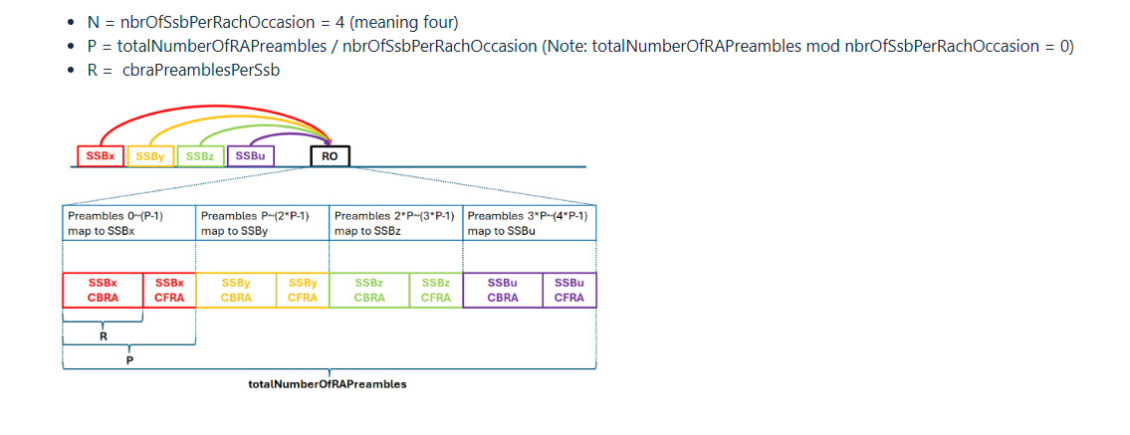
 |  |  |  |  |  |  |  |  |  | 9 | n9 | 12 | 12 beams
 |  |  |  |  |  |  |  |  |  | 10 | n10 | 15 | 15 beams
 |  |  |  |  |  |  |  |  |  | 11 | n11 | 18 | 18 beams
 |  |  |  |  |  |  |  |  |  | 12 | n12 | 21 | 21 beams
 |  |  |  |  |  |  |  |  |  | 13 | n13 | 24 | 24 beams
 |  |  |  |  |  |  |  |  |  | 14 | n14 | 32 | 32 beams
 |  |  |  |  |  |  |  |  |  | 15 | n15 | 56 | 56 beams
 |  |  |  |  |  |  |  |  |  | 16 | n16
 |  |  |  |  |  |  |  |  |  | 20 | n20
 |  |  |  |  |  |  |  |  |  | 24 | n24
 |  |  |  |  |  |  |  |  |  | 28 | n28
 |  |  |  |  |  |  |  |  |  | 32 | n32
 |  |  |  |  |  |  |  |  |  | 36 | n36
 |  |  |  |  |  |  |  |  |  | 40 | n40
 |  |  |  |  |  |  |  |  |  | 44 | n44
 |  |  |  |  |  |  |  |  |  | 48 | n48
 |  |  |  |  |  |  |  |  |  | 52 | n52
 |  |  |  |  |  |  |  |  |  | 56 | n56
 |  |  |  |  |  |  |  |  |  | 60 | n60
 |  |  |  |  |  |  |  |  |  | 64 | n64

