_Info
How DO i do this
["this" = "sort" two columns to match order of third column
https://techcommunity.microsoft.com/discussions/excelgeneral/how-do-i-do-this/4384647
2025-02-22
ShaneMunger

Step 1. Insert two (or more) columns in front of column I.
The fill colors should automatically be copied into the new columns I and J.
Step 2. Use a lookup formula in cell I2 to look up the PCC ID values in the data that has been pushed to the right, and return those same values.
With a modern version of Excel, this one formula can match the PCC IDs for all rows.
With Excel 2021 or a later version, this can be done with the XLOOKUP function. | =XLOOKUP($C$2:$C$43, $L$2:$L$43, $L$2:$L$43,,0)
Microsoft documentation: | https://support.microsoft.com/en-us/office/xlookup-function-b7fd680e-6d10-43e6-84f9-88eae8bf5929
Step 3. Use a lookup formula in cell J2 to look up the PCC ID values in the data that has been pushed to the right, and return the weight values.
If your Excel product predates Excel 2021, these lookups can be done with the VLOOKUP function, as in this example. Otherwise, use the XLOOKUP function. | =VLOOKUP($C$2:$C$43, $L$2:$M$43, 2, FALSE)
Microsoft documentation: | https://support.microsoft.com/en-us/office/vlookup-function-0bbc8083-26fe-4963-8ab8-93a18ad188a1
The Solution worksheet is how this would appear.
Step 4. If everything looks good (no generated errors), select columns I and J; copy them.
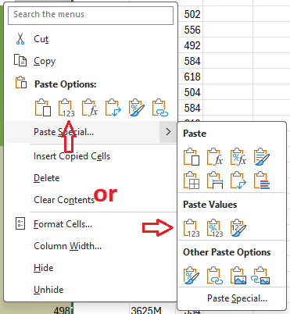
Step 5. While those two columns are still selected, use the right-click menu (a.k.a. popup menu or context menu) to Paste Values onto them.
Step 6. Clean up as desired.

