Sheet2
Radio # | EE# | EE Name | Manager | Time | Radio # | EE# | EE Name | Manager | Time
15163 | 2222 | Jorge | Fred | 11:46:52 | 98465 | 5555 | Hugo | Alex | 11:46:52
78462 | 8888 | Jose | Felipe | 11:46:52 | 78462 | 2222 | Jose | Felipe | 11:46:52
46189 | 3333 | Ramon | Fred | 11:46:52 |  |  | Martha | Ra | 11:46:52
51173 | 5.555 | Victor | Felipe | 11:46:52 | 46189 | 3333 | Ramon | Fred | 11:46:52
98465 | 6666 | Hu o | Alex | 11:46:52 | 15163 | 1111 | Jo e | Fred | 1146.52 AM
168465 | 1111 | Mike | Ray | 11:46:52 | 165168 | 7777 | Maria | Ray | 11:46:52
165168 | 7777 | Ma a | Ra | 11:46:52 | 79846 | 8888 | Eva | A ex | 11:46:52
79846 | 4444 | Eva | Alex | 11:46:52 |  |  | Mike | Ra | 11:46:52
11584 | 9999 | Martha | Ray | 11:46:52 | 51173 | 4444 | Victor | Fel pe | 114652 AM

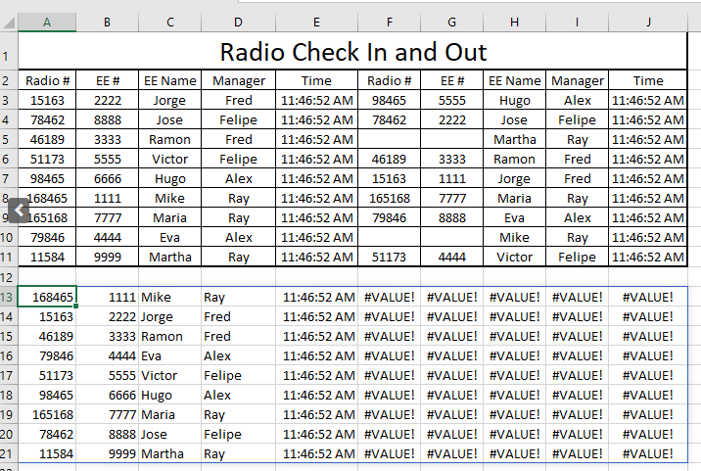
Radio # | EE# | EE Name | Manager | Time | Radio # | EE# | EE Name | Manager | Time
11584 | 9999 | Martha | Ray | 0.49087962963
15163 | 2222 | Jorge | Fred | 0.49087962963 | 15163 | 1111 | Jo e | Fred | 1146.52 AM
46189 | 3333 | Ramon | Fred | 0.49087962963 | 46189 | 3333 | Ramon | Fred | 0.49087962963
51173 | 5.555 | Victor | Felipe | 0.49087962963 | 51173 | 4444 | Victor | Fel pe | 114652 AM
78462 | 8888 | Jose | Felipe | 0.49087962963 | 78462 | 2222 | Jose | Felipe | 0.49087962963
79846 | 4444 | Eva | Alex | 0.49087962963 | 79846 | 8888 | Eva | A ex | 0.49087962963
98465 | 6666 | Hu o | Alex | 0.49087962963 | 98465 | 5555 | Hugo | Alex | 0.49087962963
165168 | 7777 | Ma a | Ra | 0.49087962963 | 165168 | 7777 | Maria | Ray | 0.49087962963
168465 | 1111 | Mike | Ray | 0.49087962963

