_Info
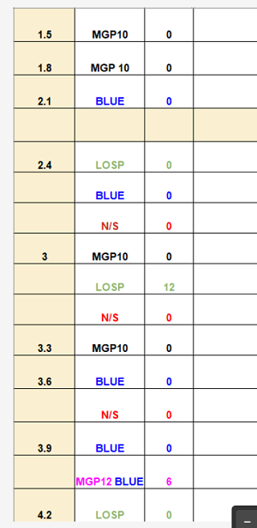
Enter data into a table to create a list
https://techcommunity.microsoft.com/t5/excel/enter-data-into-a-table-to-create-a-list/m-p/4002115
2023-12-06
Jeremy1565

The desired list (shown at right) is in mostly column-priority order. But it omits what should be the first row, corresponding to the cell B18 (the intersection of the 1.2 column and the N/S row). I presume that was an oversight.
The fourth row (empty, but filled with color) has no apparent meaning. No attempt was made to reproduce it.
The list has an entry for 3.0/MGP10, but the corresponding Sheet1 cell is empty. Ditto for its 3.3/MGP10 entry.
The visuals of the desired list cannot be produced from Excel formulas, as formulas deal with values, not with text colors (or font family, bolding, etc.).

The solutions in this workbook assume that:
you are using Excel 365 or Excel 365 for Mac or Excel for the web (The LAMBDA and MAP functions are used.)
the row headers are unique
there are no "blank" rows before the end of the data
the column headers are unique
there are no "blank" columns before the end of the data
the column headers are numeric and are consistently formatted with one decimal place (This restriction is needed because the intermediate processing uses text strings.)
the row headers do not contain either of the characters | (pipe symbol) or • (bullet), as those are used as delimiters during intermediate processing. But of course you could replace either or both of those characters; only a few formulas are involved.

