knapsack
Item: | 1 | 2 | 3 | 4 | 5
Benefit: | 4 | 2 | 8 | 1 | 4
Weight: | 6 | 8 | 6 | 3 | 6

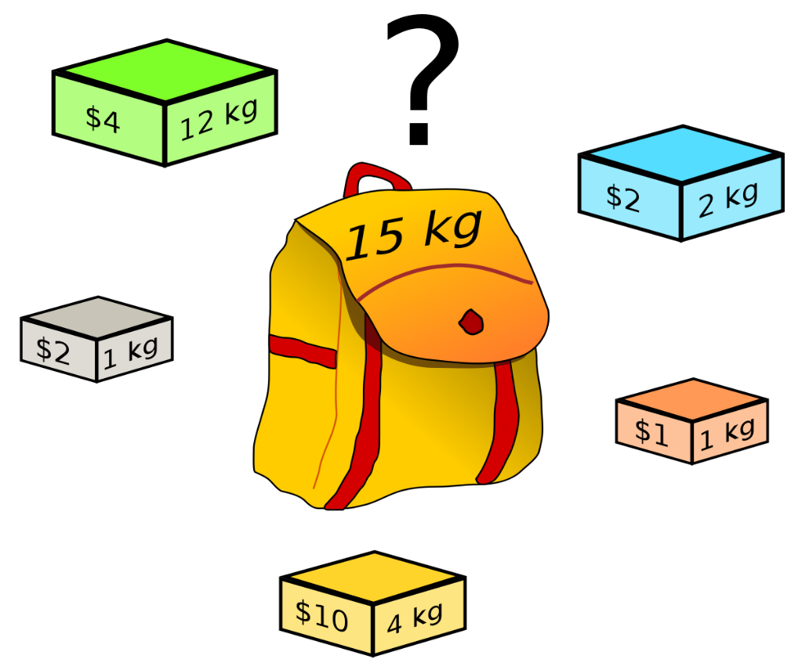
Knapsack capacity: |  | 15
 |  |  | Benefit: 13 Items: 3,4,5
 |  |  |  |  |  | Results
 |  |  |  |  |  | Items: 1 Benefit: 4 Weight: 6 | Items: 1, 2 Benefit: 6 Weight: 14 | Items: 1, 3 Benefit: 12 Weight: 12 | Items: 1, 4 Benefit: 5 Weight: 9
 |  |  |  |  |  | Items: 1, 5 Benefit: 8 Weight: 12 | Items: 1, 3, 4 Benefit: 13 Weight: 15 | Items: 1, 4, 5 Benefit: 9 Weight: 15 | Items: 2 Benefit: 2 Weight: 8
 |  |  |  |  |  | Items: 2, 3 Benefit: 10 Weight: 14 | Items: 2, 4 Benefit: 3 Weight: 11 | Items: 2, 5 Benefit: 6 Weight: 14 | Items: 3 Benefit: 8 Weight: 6
 |  |  |  |  |  | Items: 3, 4 Benefit: 9 Weight: 9 | Items: 3, 5 Benefit: 12 Weight: 12 | Items: 3, 4, 5 Benefit: 13 Weight: 15 | Items: 4 Benefit: 1 Weight: 3
 |  |  |  |  |  | Items: 4, 5 Benefit: 5 Weight: 9 | Items: 5 Benefit: 4 Weight: 6

