Sheet1
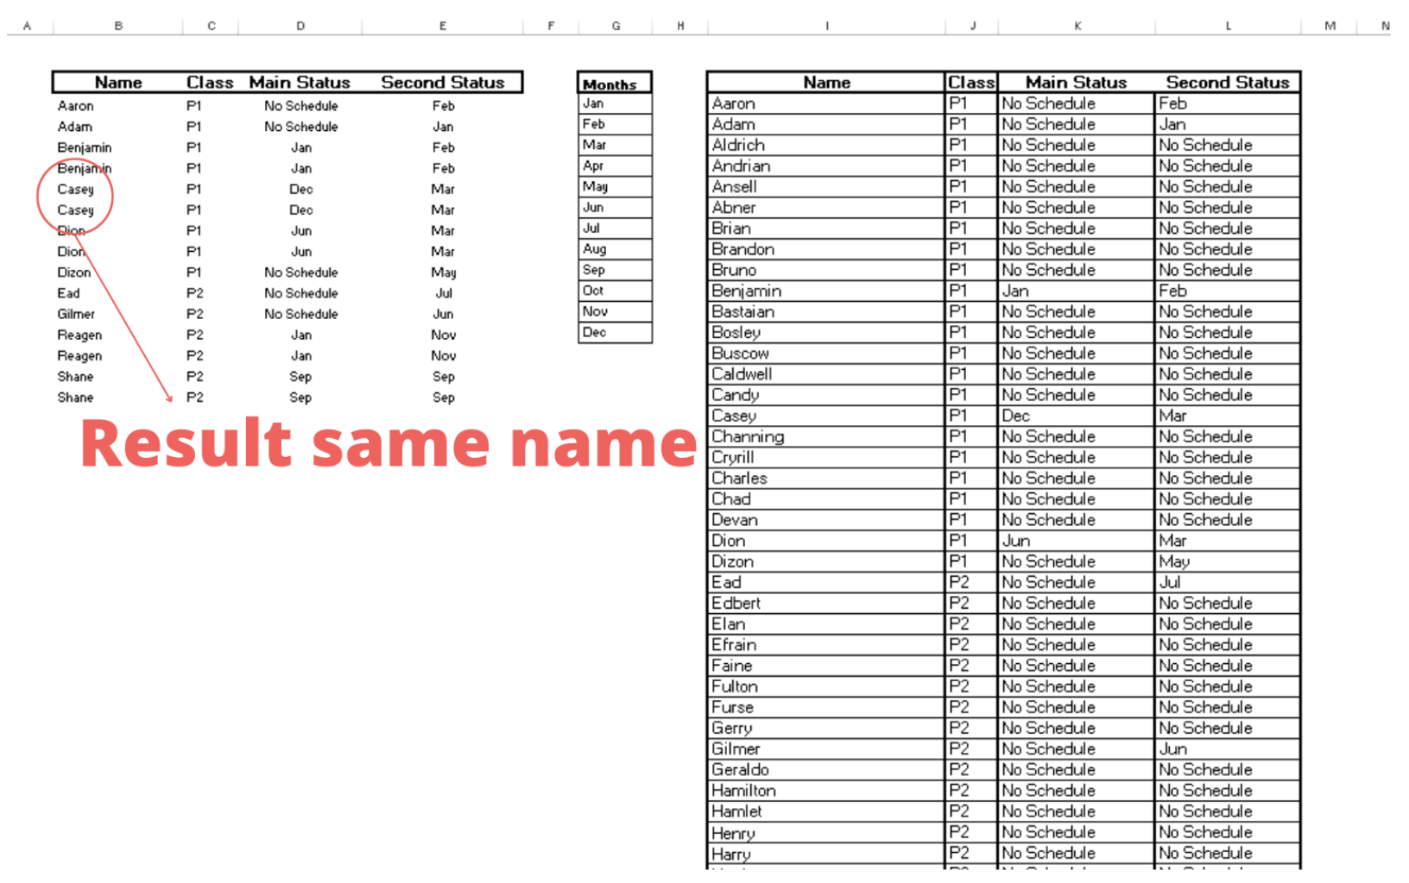
Name | Class | Main Status | Second Status |  |  |  |  |  | https://techcommunity.microsoft.com/t5/excel/index-match-avoid-duplicate-returns/m-p/3568176
Aaron | P1 | No Schedule | Feb | Months | Name | Class | Main Status | Second Status
 |  |  |  | Jan | Aaron | P1 | No Schedule | Feb
 |  |  |  | Feb | Adam | P1 | No Schedule | Jan
 |  |  |  | Mar | Aldrich | P1 | No Schedule | No Schedule
 |  |  |  | Apr | Andrian | P1 | No Schedule | No Schedule
 |  |  |  | May | Ansell | P1 | No Schedule | No Schedule
Aaron | P1 | No Schedule | Feb | Jun | Abner | P1 | No Schedule | No Schedule
Adam | P1 | No Schedule | Jan | Jul | Brian | P1 | No Schedule | No Schedule
Benjamin | P1 | Jan | Feb | Aug | Brandon | P1 | No Schedule | No Schedule
Casey | P1 | Dec | Mar | Sep | Bruno | P1 | No Schedule | No Schedule
 |  |  |  | Oct | Benjamin | P1 | Jan | Feb
 |  |  |  | Nov | Bastaian | P1 | No Schedule | No Schedule
 |  |  |  | Dec | Bosley | P1 | No Schedule | No Schedule
 |  |  |  |  | Buscow | P1 | No Schedule | No Schedule
 |  |  |  |  | Caldwell | P1 | No Schedule | No Schedule
 |  |  |  |  | Candy | P1 | No Schedule | No Schedule
 |  |  |  |  | Casey | P1 | Dec | Mar
 |  |  |  |  | Channing | P1 | No Schedule | No Schedule
 |  |  |  |  | Cyrill | P1 | No Schedule | No Schedule
 |  |  |  |  |  |  | No Schedule | No Schedule

