COUNTIF ERROR
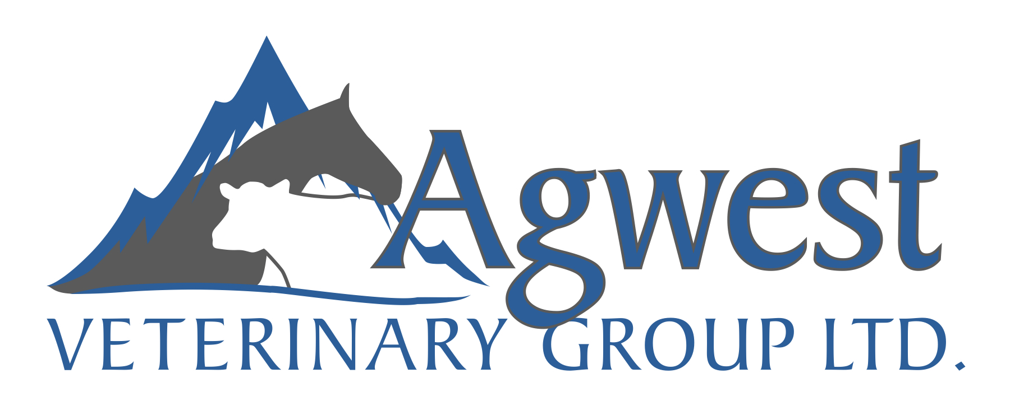

 |  |  |  | Employee: | Sam Pennington
 |  | Skills Matrix Scoring |  | Position: | Reception
 |  |  |  | Date: | 2021-10-24
Category | Skill | Score | Score | Description
Core | Accountable |  | 1 | Demonstrates awareness or very basic knowledge of this skill or concept. Has not applied this skill at work.
Core | Cultural Awareness
Core | Integrity |  | 2 | Has some experience in applying this skill but requires support and further training to reliably work independently.
Core | Organized
Core | Professionalism |  | 3 | Average expertise with this skill and the ability to successfully carry out the activity on their own. May require assistance in some circumstances.
Core | Teamwork
Customer Service | Attention to Detail |  | 4 | Advanced in their field and don’t need any help when doing their work. Within the organization, they are known as people who you can turn to with questions if you don’t know something.
Customer Service | Creative thinking & problem solving
Customer Service | Goal/Process Balance |  | 5 | These employees are experts in this task or skill. They can effectively resolve issues, coach others, and have full understanding of this skills concept and application.
Customer Service | Initiative
Customer Service | Motivated
Customer Service | Positive Phrasing |  | Category | # of skills | Avg score
Primary Care | Diagnostics |  | Core | 6
Primary Care | Maintain ARC barn |  | Customer Service | 6
Technical | HR Experience |  | Primary Care | 2
Technical | Impromed - Advanced knowledge |  | Industry | 0
Technical | Inventory - basic |  | Technical | 4
Technical | Manage inventory - advanced

Skills Strengths

 |  |  | Comments

