Depreciation
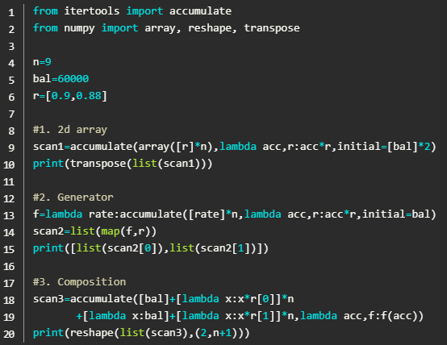
n_ | 9
bal | $60,000.00
r_ | 0.9 | 0.88
 |  |  | scan1 |  | scan2 |  | scan3 |  | ACCUMULATE
 |  |  | 54,000.00 | 52,800.00 | 54,000.00 | 52,800.00 | 60,000.00 | 60,000.00 | 54,000.00 | 52,800.00
 |  |  | 48,600.00 | 46,464.00 | 48,600.00 | 46,464.00 | 54,000.00 | 52,800.00 | 48,600.00 | 46,464.00
 |  |  | 43,740.00 | 40,888.32 | 43,740.00 | 40,888.32 | 48,600.00 | 46,464.00 | 43,740.00 | 40,888.32
 |  |  | 39,366.00 | 35,981.72 | 39,366.00 | 35,981.72 | 43,740.00 | 40,888.32 | 39,366.00 | 35,981.72
 |  |  | 35,429.40 | 31,663.92 | 35,429.40 | 31,663.92 | 39,366.00 | 35,981.72 | 35,429.40 | 31,663.92
 |  |  | 31,886.46 | 27,864.25 | 31,886.46 | 27,864.25 | 35,429.40 | 31,663.92 | 31,886.46 | 27,864.25
 |  |  | 28,697.81 | 24,520.54 | 28,697.81 | 24,520.54 | 31,886.46 | 27,864.25 | 28,697.81 | 24,520.54
 |  |  | 25,828.03 | 21,578.07 | 25,828.03 | 21,578.07 | 28,697.81 | 24,520.54 | 25,828.03 | 21,578.07
 |  |  | 23,245.23 | 18,988.70 | 23,245.23 | 18,988.70 | 25,828.03 | 21,578.07 | 23,245.23 | 18,988.70
 |  |  |  |  |  |  | 23,245.23 | 18,988.70

 |  |  | =LET( rates_thunks,CHOOSE(SEQUENCE(n_,1,1,0),LAMBDA(r_)), scan_1, SCAN( LAMBDA(bal), rates_thunks, LAMBDA(acc,thunk,LAMBDA(acc()*thunk()))), MAKEARRAY(n_,COLUMNS(r_),LAMBDA(i,j,INDEX(EXPAND(scan_1,i,1),j))) ) |  | =LET( f,LAMBDA(rate, LAMBDA( SCAN( bal, CHOOSE(SEQUENCE(n_,1,1,0),rate), LAMBDA(acc,r,acc*r)))), scan_2,MAP(r_,f), MAKEARRAY(n_,COLUMNS(r_), LAMBDA(i,j,INDEX(EXPAND(scan_2,1,j),i,1))) ) |  | =LET( r_0,INDEX(r_,1,1),r_1,INDEX(r_,1,2), choose_array, CHOOSE({1;2;3;4}, bal, LAMBDA(x,x*r_0), LAMBDA(x,bal), LAMBDA(x,x*r_1)), fxn_array,INDEX(choose_array,{1;2;2;2;2;2;2;2;2;2;3;4;4;4;4;4;4;4;4;4}), scan_3,SCAN(,fxn_array,LAMBDA(acc,f,f(acc))), TRANSPOSE(aReshape(scan_3,COLUMNS(r_),1+n_)) ) |  | =CHOOSE({1,2}, ACCUMULATE(bal,LAMBDA(acc,acc*INDEX(r_,1,1)),n_), ACCUMULATE(bal,LAMBDA(acc,acc*INDEX(r_,1,2)),n_))

 |  |  |  |  |  |  |  |  | Python accumulate more similar to SCAN my ACCUMULATE defined as follows: =LAMBDA(init_value,funcs,[iterations], LET( fxns,IF(TYPE(funcs)=64,funcs,CHOOSE({1},funcs)), iter,IF(ISOMITTED(iterations),1,iterations), fxns_array, MAKEARRAY(iter*ROWS(fxns),COLUMNS(fxns), LAMBDA(i,j, INDEX(fxns,MOD(i-1,ROWS(fxns))+1,j) ) ), SCAN( init_value, fxns_array, LAMBDA(acc,fn,fn(acc)) ) ) )

Ax+B
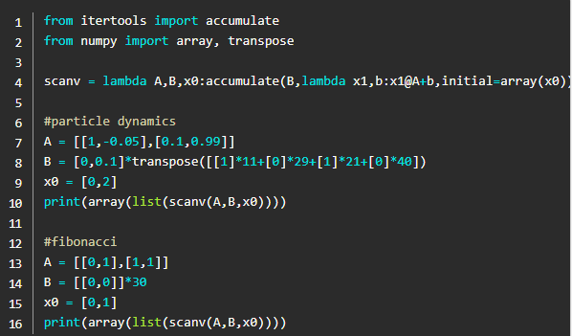
Particle Dynamics |  | Fibonacci
0.2 | 2.08 | 1 | 1
0.408 | 2.1492 | 1 | 2
0.62292 | 2.207308 | 2 | 3
0.8436508 | 2.25408892 | 3 | 5
1.069059692 | 2.2893654908 | 5 | 8
1.2979962411 | 2.3130188513 | 8 | 13
1.5292981262 | 2.3249888507 | 13 | 21
1.7617970113 | 2.3252740559 | 21 | 34
1.9943244169 | 2.3139314648 | 34 | 55
2.2257175634 | 2.2910759293 | 55 | 89
2.4548251563 | 2.2568792918 | 89 | 144
2.6805130855 | 2.1115692411 | 144 | 233
2.8916700096 | 1.9564278944 | 233 | 377
3.087312799 | 1.792280115 | 377 | 610
3.2665408105 | 1.6199916739 | 610 | 987
3.4285399779 | 1.4404647166 | 987 | 1597
3.5725864496 | 1.2546330706 | 1597 | 2584
3.6980497566 | 1.0634574174 | 2584 | 4181
3.8043954984 | 0.86792035538 | 4181 | 6765
3.8911875339 | 0.66902137691 | 6765 | 10946
3.9580896716 | 0.46777178644 | 10946 | 17711
4.0048668502 | 0.265189585 | 17711 | 28657
4.0313858087 | 0.062294346636 | 28657 | 46368
4.0376152434 | -0.13989788727 | 46368 | 75025
4.0236254547 | -0.34037967056 | 75025 | 121393
3.9895874876 | -0.53815714659 | 121393 | 196418
3.935771773 | -0.73225494951 | 196418 | 317811
3.862546278 | -0.92172098866 | 317811 | 514229
3.7703741791 | -1.1056310927 | 514229 | 832040
3.6598110699 | -1.2830934907 | 832040 | 1346269
3.5315017208 | -1.4532531093
3.3861764099 | -1.6152956642
3.2246468434 | -1.7684515281
3.0478016906 | -1.911999355
2.8566017551 | -2.045269446
2.6520748105 | -2.1676468393
2.4353101266 | -2.2785741114
2.2074527155 | -2.3775538766
1.9696973278 | -2.4641509736
1.7232822305 | -2.5379943303
1.4694827974 | -2.4987784985
1.2196049476 | -2.4472648534
0.97487846224 | -2.3837724522
0.73650121702 | -2.3086786508
0.50563335194 | -2.2224169252
0.28339165942 | -2.1254744235
0.070844217072 | -2.0183892622
-0.13099470915 | -1.9017475805
-0.3211694672 | -1.7761803692
-0.49878750412 | -1.6423600922
-0.66302351334 | -1.500997116
-0.81312322494 | -1.3528359692
-0.94840682186 | -1.1986514483
-1.0682719667 | -1.0392445927
-1.172196426 | -0.87543854843
-1.2597402808 | -0.70807434164
-1.330547715 | -0.53800658419
-1.3843483734 | -0.3660991326
-1.4209582866 | -0.1932207226
-1.4402803589 | -0.020240601045
-1.442304419 | 0.15197582291
-1.4271068367 | 0.22257128563
-1.4048497081 | 0.29170091461
-1.3756796167 | 0.35902639087
-1.3397769776 | 0.4242201078
-1.2973549668 | 0.4869667556
-1.2486582913 | 0.54696483639
-1.1939618076 | 0.60392810258
-1.1335689974 | 0.65758691194
-1.0678103062 | 0.70768949269
-0.9970413569 | 0.75400311307
-0.92164104559 | 0.79631514978
-0.84200953062 | 0.83443405057
-0.75856612556 | 0.86819018659
-0.6717471069 | 0.897436591
-0.5820034478 | 0.92204958044
-0.48979848976 | 0.94192925702
-0.39560556405 | 0.95699988894
-0.29990557516 | 0.96721016826
-0.20318455833 | 0.97253334533
-0.1059312238 | 0.97296723979
-0.0086344998213 | 0.96853412859
0.088218913037 | 0.95928051229
0.18414696427 | 0.94527676152
0.27867464042 | 0.92661664569
0.37133630499 | 0.90341674721
0.46167797971 | 0.87581576449
0.54925955616 | 0.84397370786
0.63365692694 | 0.80807099297
0.71446402624 | 0.7683074367
0.79129476991 | 0.72490116102
0.86378488601 | 0.67808741091
0.9315936271 | 0.6281172925
0.99440535635 | 0.57525643822
1.0519310002 | 0.51978360602
1.1039093608 | 0.46198921995
1.1501082828 | 0.40217385971
1.1903256687 | 0.34064670698
1.2243903394 | 0.27772395647
1.2521627351 | 0.21372719993
1.2735354551 | 0.14898179118

