DAY
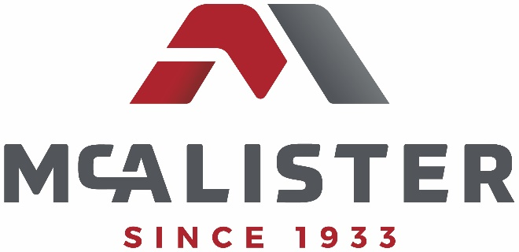
ELKO, NEVADA DTL Sheet TRUCK / UNIT# 27/714 Location/ELKO |  |  |  |  |  | Location / Elko, Nevada
Date | Day Night | FUEL ON BOARD |  |  | TOTAL GALLONS PUMPED |  |  | TOTAL GALLSONS PUMPED RISERS |  |  | NUMBER OF TRAINS |  | TOTAL START GALLONS
2021-06-26 | X | Compartment |  |  | 2000.0 |  |  | 2400.0 |  |  | 2
Times | 0500/1700 | 3500 |  | 3500 | TOTAL RELOAD GALLONS |  |  |  |  |  | NUMBER OF LOCOS |  | 7000.0
Mileage |  |  |  |  | 0 |  |  |  |  |  | 2
Hours |  |  |  |  | 100% AUDITS
Drivers Name

SYMBOL | UNIT # | TRACK | Start Fuel Loco | Issued Fuel Loco | End Fuel Loco | Reload Fuel | Ticket or BOL Number | Bad Gauge? | Dirty Sight Glass? | Truck Called Time | Start Fuel Time | Finished Fuel Time | Risers |  | BALANCE
SYMBOL | 1234 | M1 | 2400 | 2000 | 4400 |  |  | N | N |  |  |  |  |  | 5000.0
SYMBOL | 4321 | M1 | 2000 | 2400 | 4400 |  |  | N | N |  |  |  |  | x | 2600.0

 |  | ALL FUEL DELIVERD AT THE RISERS IS ESTIMATED. NO DELIVERY METER

PW | Larry

