Ashmore Bld B
MECHANICAL SELECTION & TECH DATA

Project: | Ashmore Stage 1 - Bld B |  |  |  |  |  |  | Total Number of Models
Rev: | 1 |  |  |  |  |  |  | RXYMQ3 |  |  |  |  | RXYMQ6
Date: | 2017-08-02 |  |  |  |  |  |  | RXYMQ4 |  |  |  |  | RXYMQ8
 |  |  |  |  |  |  |  | RXYMQ5 |  |  |  |  | RXYMQ9

Building: | B1 | Core: | B1
Design Criteria |  |  |  |  | Selection Data
Bed Typ | # of Cond | Area (m2) | Watts/ m2 | Load (kw) | Condenser Model | Unit Size (kw) | Air Flow (l/s) | Condenser Size (WxDxH) |  |  |  |  | Power (amps) | Sound (db)
Studio | 0 | 50 | 150 | 7.5 | RXYMQ3 | 9 | 1267 | 940 | x | 320 | x | 990 | 20 | 69
1 | 4 | 70 | 150 | 10.5 | RXYMQ4 | 11.2 | 1267 | 940 | x | 320 | x | 990 | 20 | 70
2 | 7 | 90 | 150 | 13.5 | RXYMQ5 | 14 | 1267 | 940 | x | 320 | x | 990 | 20 | 71
3 | 10 | 90 | 150 | 13.5 | RXYMQ5 | 14 | 1267 | 940 | x | 320 | x | 990 | 20 | 71
Townhouse (2bd) | 0 | 125 | 150 | 18.75 | RXYMQ8 | 22.4 | 2333 | 940 | x | 320 | x | 1430 | 30 | 75
Townhouse (3bd) | 0 | 125 | 150 | 18.75 | RXYMQ8 | 22.4 | 2333 | 940 | x | 320 | x | 1430 | 30 | 75

Plant Location: | B1 |  |  |  |  |  | Riser m2: | 0.72
Total Of Units: | 21 |  |  |  |  |  | Riser Size (mm): | 1200 | x | 600

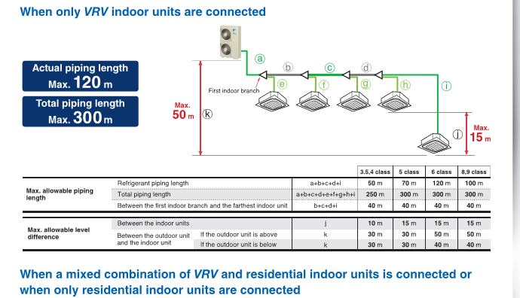
Building: | B2 | Core: | B2
Design Criteria |  |  |  |  | Selection Data
Bed Typ | # of Cond | Area (m2) | Watts/ m2 | Load (kw) | Condenser Model | Unit Size (kw) | Air Flow (l/s) | Condenser Size (WxDxH) |  |  |  |  | Power (amps) | Sound (db)
Studio | 0 | 50 | 150 | 7.5 | RXYMQ3 | 9 | 1267 | 940 | x | 320 | x | 990 | 20 | 69
1 | 20 | 70 | 150 | 10.5 | RXYMQ4 | 11.2 | 1267 | 940 | x | 320 | x | 990 | 20 | 70
2 | 17 | 90 | 150 | 13.5 | RXYMQ5 | 14 | 1267 | 940 | x | 320 | x | 990 | 20 | 71
3 | 1 | 90 | 150 | 13.5 | RXYMQ5 | 14 | 1267 | 940 | x | 320 | x | 990 | 20 | 71
Townhouse (2bd) | 2 | 125 | 150 | 18.75 | RXYMQ8 | 22.4 | 2333 | 940 | x | 320 | x | 1430 | 30 | 75
Townhouse (3bd) | 4 | 125 | 150 | 18.75 | RXYMQ8 | 22.4 | 2333 | 940 | x | 320 | x | 1430 | 30 | 75

Plant Location: | B2 |  |  |  |  |  | Riser m2: | 1.18
Total Of Units: | 44 |  |  |  |  |  | Riser Size (mm): | 1967 | x | 600

Building: | B2 | Core: | B3
Design Criteria |  |  |  |  | Selection Data
Bed Typ | # of Cond | Area (m2) | Watts/ m2 | Load (kw) | Condenser Model | Unit Size (kw) | Air Flow (l/s) | Condenser Size (WxDxH) |  |  |  |  | Power (amps) | Sound (db)
Studio | 0 | 50 | 150 | 7.5 | RXYMQ3 | 9 | 1267 | 940 | x | 320 | x | 990 | 20 | 69
1 | 19 | 70 | 150 | 10.5 | RXYMQ4 | 11.2 | 1267 | 940 | x | 320 | x | 990 | 20 | 70
2 | 13 | 90 | 150 | 13.5 | RXYMQ5 | 14 | 1267 | 940 | x | 320 | x | 990 | 20 | 71
3 | 1 | 90 | 150 | 13.5 | RXYMQ5 | 14 | 1267 | 940 | x | 320 | x | 990 | 20 | 71
Townhouse (3bd) | 2 | 125 | 150 | 18.75 | RXYMQ8 | 22.4 | 2333 | 940 | x | 320 | x | 1430 | 30 | 75
Townhouse (4bd) | 0 | 125 | 150 | 18.75 | RXYMQ8 | 22.4 | 2333 | 940 | x | 320 | x | 1430 | 30 | 75

Plant Location: | B2 |  |  |  |  |  | Riser m2: | 1
Total Of Units: | 35 |  |  |  |  |  | Riser Size (mm): | 1667 | x | 600

Building: | B3 | Core: | B4
Design Criteria |  |  |  |  | Selection Data
Bed Typ | # of Cond | Area (m2) | Watts/ m2 | Load (kw) | Condenser Model | Unit Size (kw) | Air Flow (l/s) | Condenser Size (WxDxH) |  |  |  |  | Power (amps) | Sound (db)
Studio | 0 | 50 | 150 | 7.5 | RXYMQ3 | 9 | 1267 | 940 | x | 320 | x | 990 | 20 | 69
1 | 7 | 70 | 150 | 10.5 | RXYMQ4 | 11.2 | 1267 | 940 | x | 320 | x | 990 | 20 | 70
2 | 6 | 90 | 150 | 13.5 | RXYMQ5 | 14 | 1267 | 940 | x | 320 | x | 990 | 20 | 71
3 | 0 | 90 | 150 | 13.5 | RXYMQ5 | 14 | 1267 | 940 | x | 320 | x | 990 | 20 | 71
Townhouse (2bd) | 10 | 125 | 150 | 18.75 | RXYMQ8 | 22.4 | 2333 | 940 | x | 320 | x | 1430 | 30 | 75
Townhouse (3bd) | 0 | 125 | 150 | 18.75 | RXYMQ8 | 22.4 | 2333 | 940 | x | 320 | x | 1430 | 30 | 75

Plant Location: | B3 |  |  |  |  |  | Riser m2: | 0.76
Total Of Units: | 23 |  |  |  |  |  | Riser Size (mm): | 1267 | x | 600

Building: | B3 | Core: | B5
Design Criteria |  |  |  |  | Selection Data
Bed Typ | # of Cond | Area (m2) | Watts/ m2 | Load (kw) | Condenser Model | Unit Size (kw) | Air Flow (l/s) | Condenser Size (WxDxH) |  |  |  |  | Power (amps) | Sound (db)
Studio | 0 | 50 | 150 | 7.5 | RXYMQ3 | 9 | 1267 | 940 | x | 320 | x | 990 | 20 | 69
1 | 13 | 70 | 150 | 10.5 | RXYMQ4 | 11.2 | 1267 | 940 | x | 320 | x | 990 | 20 | 70
2 | 20 | 90 | 150 | 13.5 | RXYMQ5 | 14 | 1267 | 940 | x | 320 | x | 990 | 20 | 71
3 | 1 | 90 | 150 | 13.5 | RXYMQ5 | 14 | 1267 | 940 | x | 320 | x | 990 | 20 | 71
Townhouse (2bd) | 0 | 125 | 150 | 18.75 | RXYMQ8 | 22.4 | 2333 | 940 | x | 320 | x | 1430 | 30 | 75
Townhouse (3bd) | 0 | 125 | 150 | 18.75 | RXYMQ8 | 22.4 | 2333 | 940 | x | 320 | x | 1430 | 30 | 75

Plant Location: | B3 |  |  |  |  |  | Riser m2: | 0.98
Total Of Units: | 34 |  |  |  |  |  | Riser Size (mm): | 1633 | x | 600

Daikin RXYMQ
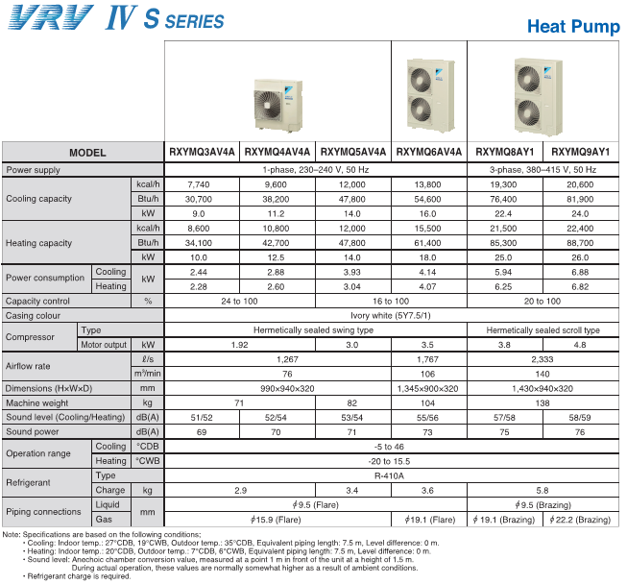
Manufacturer | Model | Cooling (kw) | L/s | Width |  | Depth |  | Height | Power (v) | Amps (a) | Ref | Sound (db)
Daikin | RXYMQ9 | 24 | 2,333 | 940 | x | 320 | x | 1430 | 415 | 30 | 410a | 76
Daikin | RXYMQ8 | 22.4 | 2,333 | 940 | x | 320 | x | 1430 | 415 | 30 | 410a | 75
Daikin | RXYMQ6 | 16 | 1,767 | 900 | x | 320 | x | 1345 | 240 | 30 | 410a | 73
Daikin | RXYMQ5 | 14 | 1,267 | 940 | x | 320 | x | 990 | 240 | 20 | 410a | 71
Daikin | RXYMQ4 | 11.2 | 1,267 | 940 | x | 320 | x | 990 | 240 | 20 | 410a | 70
Daikin | RXYMQ3 | 9 | 1,267 | 940 | x | 320 | x | 990 | 240 | 20 | 410a | 69

