Sheet1
EVENT RISK MITIGATION ASSESSMENT FORM
EVENT ID | EVENT NAME |  |  |  |  |  |  | EVENT MANAGER | ASSESSED BY | ASSESSMENT DATE
 | WAI TRI 2021 |  |  |  |  |  |  |  |  | 2021-05-22 11:44:55

EVENT DESCRIPTION |  |  |  |  |  |  |  |  | APPROVED BY | APPROVAL DATE
Run, Cycle and Swim event

Rate Likelihood and Impact Levels on a scale of 1 to 5 |  |  |  |  |  | ––––––– DO NOT ALTER –––––––
REF ID | HAZARD DESCRIPTION | CONSEQUENCE | IMPACT DESCRIPTION Time, Cost, Performance | PROBABILITY | IMPACT | SCORE | RISK LEVEL | CURRENT RISK MITIGATION AND CONTROL MEASURES |  |  | STATUS | COMPLETION DATE | LEVEL |  |  | RATING MATRIX |  |  |  |  | RATING_NO | RATING_NAME
 | Enviroment - Weather |  |  |  |  |  |  |  |  |  |  |  | 1 | LIKELIHOOD | 5 | 5 | 10 | 15 | 20 | 25 | 1 | MINOR | Use safety equipment/clothing/substance to protect against and minimise harm
 | Sun | Sunburn, heat stroke, dehydration |  | 2 | 1 | 2 | MINOR |  |  |  |  |  | 2 |  | 4 | 4 | 8 | 12 | 16 | 20 | 2 | MINOR | Use safety equipment/clothing/substance to protect against and minimise harm
 | Wind |  |  | 2 | 1 | 2 | MINOR |  |  |  |  |  | 3 |  | 3 | 3 | 6 | 9 | 12 | 15 | 3 | MINOR | Use safety equipment/clothing/substance to protect against and minimise harm
 | Rain |  |  | 2 | 1 | 2 | MINOR |  |  |  |  |  | 4 |  | 2 | 2 | 4 | 6 | 8 | 10 | 4 | MODERATE | Limit exposure, adhere to procedures and H&S rules. Erect warnings, provide training, re-eveluate risk score
 | Snow |  |  | 3 | 1 | 3 | MINOR |  |  |  |  |  | 5 |  | 1 | 1 | 2 | 3 | 4 | 5 | 5 | MODERATE | Limit exposure, adhere to procedures and H&S rules. Erect warnings, provide training, re-eveluate risk score
 | Enviroment - Venue |  |  |  |  |  |  |  |  |  |  |  |  |  |  | 1 | 2 | 3 | 4 | 5 | 6 | MODERATE | Limit exposure, adhere to procedures and H&S rules. Erect warnings, provide training, re-eveluate risk score
 | Flat Ground Risks |  |  | 1 | 1 | 1 | MINOR |  |  |  |  |  |  |  |  | IMPACT |  |  |  |  | 7 | MODERATE | Limit exposure, adhere to procedures and H&S rules. Erect warnings, provide training, re-eveluate risk score
 | Uneven Ground Risks |  |  | 3 | 1 | 3 | MINOR |  |  |  |  |  |  |  |  |  |  |  |  |  | 8 | HIGH | Isolate hazard, erect barriers, fences or other control measures to mitigate, re-eveluate risk score
 | Sealed Vehicle Carriage Way Risks |  |  | 3 | 1 | 3 | MINOR |  |  |  |  |  |  |  |  |  |  |  |  |  | 9 | HIGH | Isolate hazard, erect barriers, fences or other control measures to mitigate, re-eveluate risk score
 | Water Channels/Kerbing Risks |  |  | 3 | 1 | 3 | MINOR |  |  |  |  |  |  |  |  |  |  |  |  |  | 10 | HIGH | Isolate hazard, erect barriers, fences or other control measures to mitigate, re-eveluate risk score
 | Concrete Pavement Risks |  |  | 3 | 1 | 3 | MINOR |  |  |  |  |  |  |  |  |  |  |  |  |  | 11 | HIGH | Isolate hazard, erect barriers, fences or other control measures to mitigate, re-eveluate risk score

 | Unsealed Vehicle Carraige Way Risks |  |  | 3 | 1 | 3 | MINOR |  |  |  |  |  |  |  |  |  |  |  |  |  | 12 | HIGH | Isolate hazard, erect barriers, fences or other control measures to mitigate, re-eveluate risk score
 | Grassed Area Risks |  |  | 3 | 1 | 3 | MINOR |  |  |  |  |  |  |  |  |  |  |  |  |  | 13 | HIGH | Isolate hazard, erect barriers, fences or other control measures to mitigate, re-eveluate risk score
 | Ungrassed Area Risks |  |  | 3 | 1 | 3 | MINOR |  |  |  |  |  |  |  |  |  |  |  |  |  | 14 | HIGH | Isolate hazard, erect barriers, fences or other control measures to mitigate, re-eveluate risk score
 | Trees, Shrubs, High Vegetation Risks |  |  | 3 | 1 | 3 | MINOR |  |  |  |  |  |  |  |  |  |  |  |  |  | 15 | CRITICAL | Substitute hazard for less hazardous thing, substance or work practice, re-evaluate risk score
 | Gardens and Surround Risks |  |  | 3 | 1 | 3 | MINOR |  |  |  |  |  |  |  |  |  |  |  |  |  | 16 | CRITICAL | Substitute hazard for less hazardous thing, substance or work practice, re-evaluate risk score
 | Fixed Sports Equipment Risks |  |  | 3 | 1 | 3 | MINOR |  |  |  |  |  |  |  |  |  |  |  |  |  | 17 | CRITICAL | Substitute hazard for less hazardous thing, substance or work practice, re-evaluate risk score
 | Raised stage Risks |  |  | 3 | 2 | 6 | MODERATE |  |  |  |  |  |  |  |  |  |  |  |  |  | 18 | CRITICAL | Substitute hazard for less hazardous thing, substance or work practice, re-evaluate risk score
 | Trailer Risks |  |  | 3 | 2 | 6 | MODERATE |  |  |  |  |  |  |  |  |  |  |  |  |  | 19 | CRITICAL | Substitute hazard for less hazardous thing, substance or work practice, re-evaluate risk score
 | Rescue Helicopter Pad Risks |  |  | 3 | 1 | 3 | MINOR |  |  |  |  |  |  |  |  |  |  |  |  |  | 20 | CRITICAL | Substitute hazard for less hazardous thing, substance or work practice, re-evaluate risk score
 | Bridge Risks |  |  | 3 | 1 | 3 | MINOR |  |  |  |  |  |  |  |  |  |  |  |  |  | 21 | EXTREME | Stop, remove sources of harm, re-evalute risk score before proceeding
 | Fence Risks |  |  | 3 | 1 | 3 | MINOR |  |  |  |  |  |  |  |  |  |  |  |  |  | 22 | EXTREME | Stop, remove sources of harm, re-evalute risk score before proceeding
 | Open Waterway Risks |  |  | 5 | 2 | 10 | HIGH |  |  |  |  |  |  |  |  |  |  |  |  |  | 23 | EXTREME | Stop, remove sources of harm, re-evalute risk score before proceeding
 | Building Risks |  |  | 3 | 1 | 3 | MINOR |  |  |  |  |  |  |  |  |  |  |  |  |  | 24 | EXTREME | Stop, remove sources of harm, re-evalute risk score before proceeding
 | Marquee/Tent Risks |  |  | 3 | 1 | 3 | MINOR |  |  |  |  |  |  |  |  |  |  |  |  |  | 25 | EXTREME | Stop, remove sources of harm, re-evalute risk score before proceeding
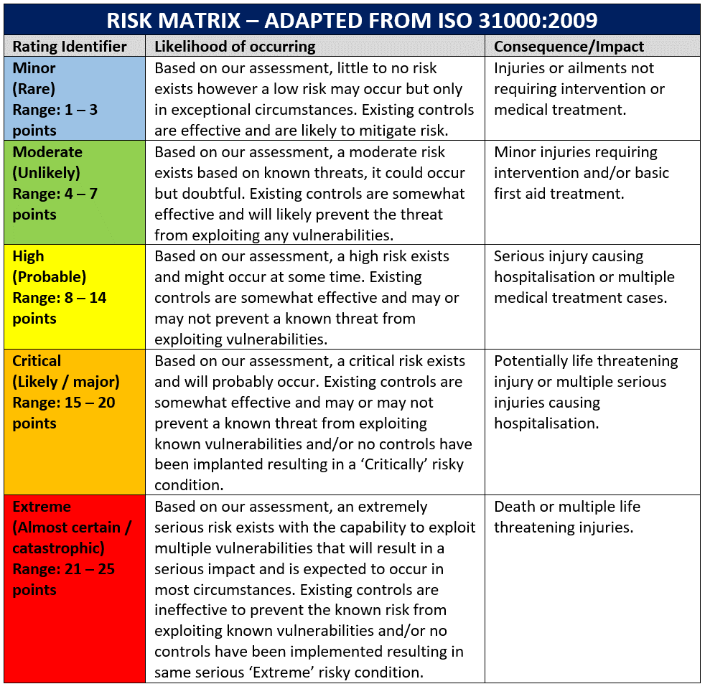
 | Raised Inspection Cover Risks |  |  | 3 | 2 | 6 | MODERATE
 | TRAFFIC
 | Entry/Egress |  |  | 3 | 1 | 3 | MINOR
 | Parking |  |  | 3 | 1 | 3 | MINOR |  |  |  |  |  |  |  |  |  |  |  |  |  |  |  | Nil intervention required
 | Throughout Venue/Courses |  |  | 3 | 1 | 3 | MINOR |  |  |  |  |  |  |  |  |  |  |  |  |  |  |  | Basic intervention/care required
 | Emergencies Vehicles |  |  | 3 | 1 | 3 | MINOR |  |  |  |  |  |  |  |  |  |  |  |  |  |  |  | Intermediate intervention/care required, re-evacuate
 | UTILITIES |  |  |  |  |  |  |  |  |  |  |  |  |  |  |  |  |  |  |  |  |  | Advance intervention/care required, re-evacuate
 | Electricity Direct Current (DC) |  |  | 3 | 1 | 3 | MINOR |  |  |  |  |  |  |  |  |  |  |  |  |  |  |  | Specialist intervention, multi reposnse, secure scene
 | Electricity Alternate Current (AC) |  |  | 3 | 1 | 3 | MINOR
 | Extension Cords/Multi Boxes Inside |  |  | 3 | 1 | 3 | MINOR
 | Extension Cords/Multi Boxes Outside |  |  | 3 | 1 | 3 | MINOR
 | Portable Generators |  |  | 3 | 1 | 3 | MINOR
 | Water Supply |  |  | 1 | 1 | 1 | MINOR
 | Cooking/BBQ Facilities |  |  | 2 | 1 | 2 | MINOR
 | Vendors |  |  | 2 | 1 | 2 | MINOR
 | Music/Public Address System |  |  | 2 | 1 | 2 | MINOR
 | Security |  |  | 2 | 1 | 2 | MINOR
 | First Aid |  |  | 2 | 1 | 2 | MINOR
 | Waste Management |  |  | 2 | 1 | 2 | MINOR
 | Amusement Devices/Equipment |  |  | 1 | 1 | 1 | MINOR
 | CROWD MANAGEMENT
 | Wayfinding Optimisation |  |  | 3 | 2 | 6 | MODERATE
 | Queue Management |  |  | 3 | 2 | 6 | MODERATE
 | Temporary Closures |  |  | 3 | 1 | 3 | MINOR
 | Rapid Deployment |  |  | 2 | 1 | 2 | MINOR
 | Visitor Flow Management |  |  | 3 | 1 | 3 | MINOR
 | Lost Person |  |  | 3 | 2 | 6 | MODERATE
 | EVACUATIONS
 | Fire Alarm |  |  | 1 | 1 | 1 | MINOR
 | Earthquake |  |  | 1 | 1 | 1 | MINOR
 | Flooding |  |  | 1 | 1 | 1 | MINOR
 | Bomb Threat |  |  | 1 | 1 | 1 | MINOR
 | Violent Person |  |  | 1 | 1 | 1 | MINOR
 | EMERGENCY SERVICES
 | Fire |  |  | 1 | 1 | 1 | MINOR
 | Police |  |  | 1 | 1 | 1 | MINOR
 | Ambulance |  |  | 1 | 1 | 1 | MINOR
 | Hospital |  |  | 1 | 1 | 1 | MINOR
 | HAZARDOUS SUBSTANCES
 | Petrol |  |  | 3 | 2 | 6 | MODERATE
 | Deisel |  |  | 2 | 1 | 2 | MINOR
 | LPG |  |  | 3 | 2 | 6 | MODERATE
 | Solvents |  |  | 2 | 1 | 2 | MINOR
 | Cleaning Products |  |  | 2 | 1 | 2 | MINOR
 | CONSUMED/TAKEN SUBSTANCES
 | Alcohol - Visitor Supplied |  |  | 2 | 1 | 2 | MINOR
 | Drugs - Visitor Supplied |  |  | 2 | 1 | 2 | MINOR
 | Fungai |  |  | 1 | 1 | 1 | MINOR
 | FOOD/BEVERAGES
 | Preperation |  |  | 2 | 1 | 2 | MINOR
 | Cooking |  |  | 3 | 1 | 3 | MINOR
 | Cross Contamination |  |  | 3 | 2 | 6 | MODERATE
 | Allergens |  |  | 3 | 3 | 9 | HIGH
 | STAFFING
 | Volunteers |  |  | 2 | 1 | 2 | MINOR
 | First Aiders |  |  | 2 | 1 | 2 | MINOR
 | TRIATHLON
 | Run |  |  | 3 | 1 | 3 | MINOR
 | Cycle |  |  | 3 | 2 | 6 | MODERATE
 | Swim |  |  | 3 | 2 | 6 | MODERATE
 | INJURY MECHANISIM
 | Trip/Fall |  |  | 3 | 2 | 6 | MODERATE
 | Collision - Running |  |  | 1 | 1 | 1 | MINOR
 | Collision - Cycling |  |  | 3 | 2 | 6 | MODERATE
 | Collision - Pedestrian Vs. Vehicle |  |  | 2 | 1 | 2 | MINOR
 | Collision - Cycle Vs. Vehicle |  |  | 2 | 1 | 2 | MINOR
 | Collision - Vehicle Vs. Vehicle |  |  | 2 | 1 | 2 | MINOR
 | Collision - Tree |  |  | 1 | 1 | 1 | MINOR
 | Collison - Bridge |  |  | 1 | 1 | 1 | MINOR
 | Collision - Fences |  |  | 1 | 1 | 1 | MINOR
 | Collision - Animals |  |  | 1 | 1 | 1 | MINOR
 | Electrocution |  |  | 3 | 2 | 6 | MODERATE
 | Poisioning |  |  | 3 | 2 | 6 | MODERATE
 | Drowning |  |  | 3 | 2 | 6 | MODERATE
 | Choking |  |  | 3 | 2 | 6 | MODERATE
 | Medical Event |  |  | 3 | 3 | 9 | HIGH
 | Death |  |  | 1 | 2 | 2 | MINOR
 | INJURIES
 | Skin Irritations |  |  | 3 | 1 | 3 | MINOR
 | Abrasions |  |  | 3 | 1 | 3 | MINOR
 | Contusions |  |  | 3 | 1 | 3 | MINOR
 | Open Wounds |  |  | 3 | 3 | 9 | HIGH
 | Sprains/Strains |  |  | 3 | 3 | 9 | HIGH
 | Dislocations |  |  | 3 | 3 | 9 | HIGH
 | Fractures |  |  | 3 | 3 | 9 | HIGH
 | Spinal Injuries |  |  | 2 | 2 | 4 | MODERATE
 | Faints |  |  | 3 | 1 | 3 | MINOR
 | Strokes |  |  | 3 | 2 | 6 | MODERATE
 | Heat Exhaustion |  |  | 2 | 2 | 4 | MODERATE
 | Pnuemonia |  |  | 2 | 1 | 2 | MINOR
 | Diabetic Emergencies |  |  | 3 | 3 | 9 | HIGH
 | Fitting |  |  | 3 | 3 | 9 | HIGH
 | Animal Bites |  |  | 3 | 3 | 9 | HIGH
 | Anaphalaxis |  |  | 3 | 3 | 9 | HIGH
 | Drowning |  |  | 3 | 2 | 6 | MODERATE
 | Degloving |  |  | 3 | 2 | 6 | MODERATE
 | Overdose |  |  | 2 | 2 | 4 | MODERATE
 | Respiratory |  |  | 3 | 3 | 9 | HIGH
 | Heart Attack |  |  | 3 | 2 | 6 | MODERATE
 | Cardiac Arrest |  |  | 3 | 3 | 9 | HIGH
 | Burns |  |  | 3 | 2 | 6 | MODERATE
 | Foriegn Objects - Eyes |  |  | 3 | 2 | 6 | MODERATE
 | Loss of Limb |  |  | 2 | 2 | 4 | MODERATE
 | Impaled |  |  | 1 | 2 | 2 | MINOR

